Sheet1
 |  | Document No. | Issue No. | Issue Date |  | Review and Replace Date |  | Authorised By
 |  | GFF409MC | 1 | 18.10.2023 |  | New Document |  | Magda Shah
 |  | Document Title | 8 Mexican Bean & Corn Parcel | 200G
Document amendments reason for change |  | New Document |  |  | Page 1 of 1 | Previous Issue Date | New Document | Uncontrolled copy unless signed original

CVMSAC-R1TEB | BOOTHS - XMAS |  | 8 Mexican Bean & Corn Parcel | 200G
STEP 1 |  |  |  |  | STEP 2
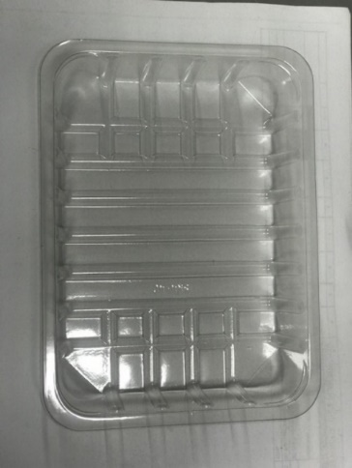 |  |  |  |  | 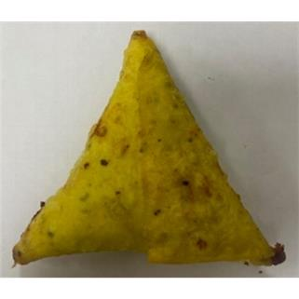

Tray: SK4 Plain Clear (PKESS001-07) |  |  |  |  | 8 x Mexican Bean & Corn Parcel Mix (GFF455R ) 25g
Film: K-peel 7G+25A/f-275mm (PKKMP001-03)
STEP 3 |  |  |  |  | STEP 4
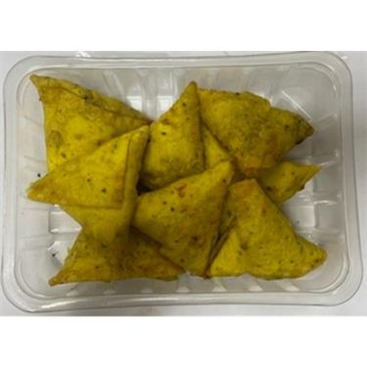

8 Mexican Bean & Corn Parcel Mix 200g |  |  |  |  | TOTAL WEIGHT: 200g

ALLERGY ALERT: Wheat

